Defect Log
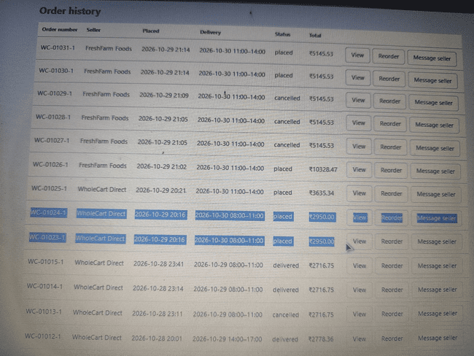
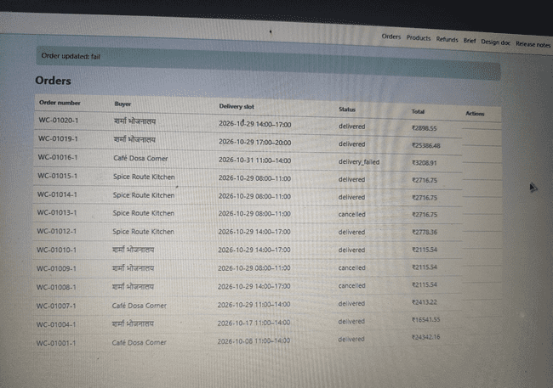
WholeCart B2B Marketplace - Defect Log Report
Project: WholeCart | Environment: Demo System (13.200.185.1) | Date: 2026-10-29

Bug ID | Bug Title | Steps to Reproduce | Expected Result | Actual Result | Severity | Screenshot / Evidence
BUG-001 | Incorrect Tax Calculation on Checkout Screen (Flat 18% Rate Applied Instead of Per-Item 5%/18% Rate) | 1. Add items carrying a 5% tax rate (e.g., Chef's Basmati Rice) to the cart. 2. Ensure total net value is below ₹3,000 to trigger delivery fee. 3. Proceed to Checkout screen. 4. Inspect calculated Tax amount. | Tax should be calculated per tax rate (5% or 18%) on the summed net value of lines at that specific rate, rounded half-up to the paisa once per rate (BR-07). | System calculates tax as ₹536.54, which is a flat 18% calculation across entire net amount (₹2,980.80 * 18%), ignoring individual line item tax rates. | 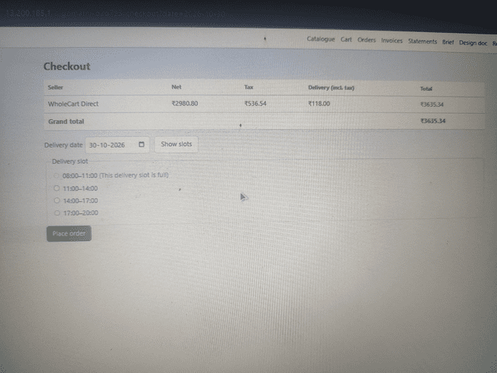 High
BUG-002 | Out-of-stock product ('Farm Lemon Soda 300ml') remains visible in catalogue/search with negative stock (-11) | 1. Add remaining stock (1 piece) of 'Farm Lemon Soda 300ml' to cart and checkout. 2. Verify stock depletion. 3. Return to catalogue and search for product. 4. Observe search results and inventory count (-11 pieces). | Once stock reaches zero, products must never be shown in catalogue or search results (BR-02), and stock can never drop below zero (BR-01). | Out-of-stock product remains visible in search results with an invalid negative stock count (-11 pieces), violating BR-02 and BR-01. | 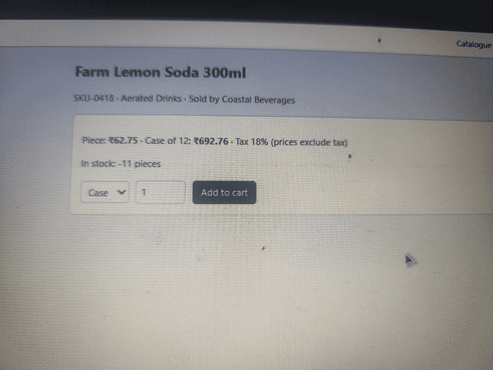 High |  | 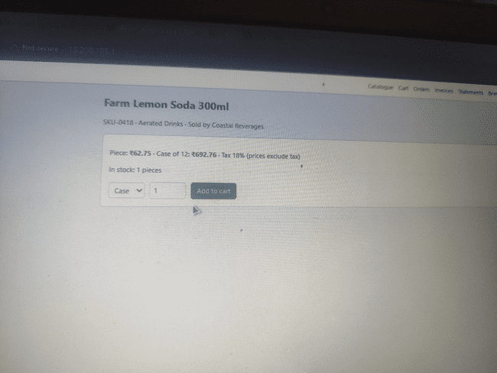 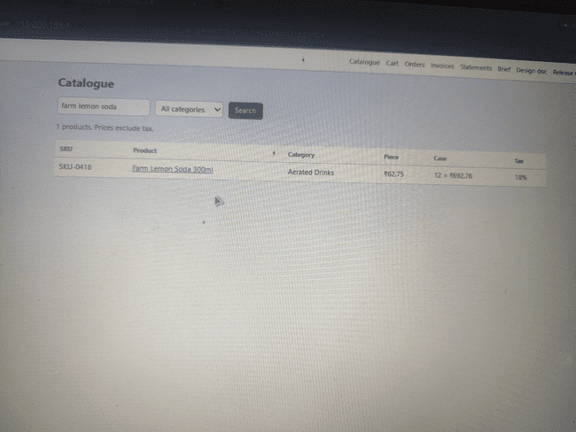
BUG-003 | Double-clicking 'Place order' / Checkout creates duplicate orders with distinct order numbers | 1. Add items to cart and proceed to Checkout. 2. Rapidly double-click 'Place order' button. 3. Inspect generated orders in order history. | Submitting the same checkout twice (e.g. double-click) creates one order, not two, as per business rule BR-10. | System processes both clicks and generates two separate orders (e.g., WC-01024-1 and WC-01023-1) placed seconds apart, violating BR-10. | High
BUG-004 | Delivery slot allows 6 active orders, exceeding maximum capacity limit of 5 orders | 1. Select a specific delivery slot (e.g., 08:00-11:00) for a given date. 2. Place 6 orders across accounts for the same date and slot. 3. Check order management system for total orders assigned to that slot. | Each slot takes at most 5 orders as per BR-05; once 5 active orders are placed, the slot must show as full ('This delivery slot is full') and block further bookings. | System allowed 6 total active orders (1 delivered, rest shipped/placed) in the exact same delivery slot, violating BR-05 capacity limit. | 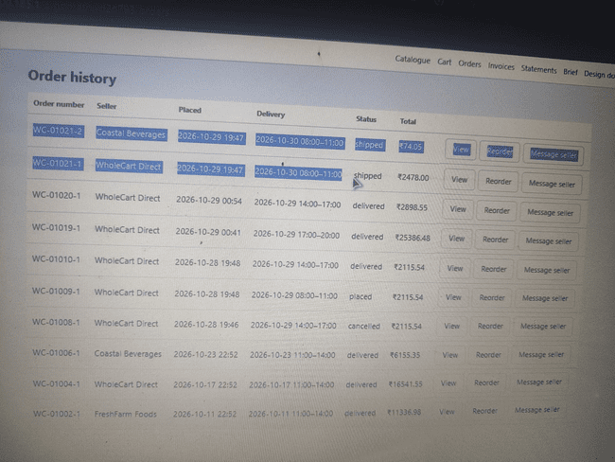 High | 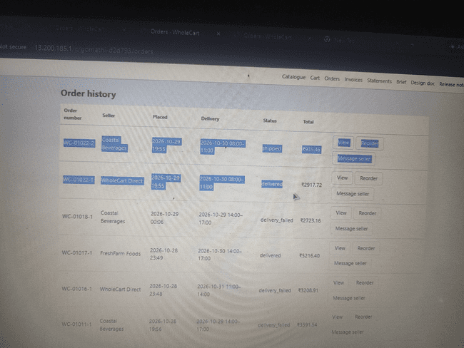 | 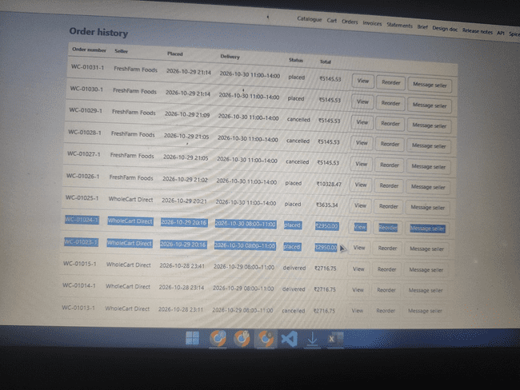
BUG-005 | Refund request accepts quantity input exceeding ordered amount (8 cases vs 5 cases ordered) | 1. Open delivered Order WC-01017-1 (ordered Qty: 5 cases of Chef's Coconut Oil). 2. Under Refund or exchange, enter a quantity exceeding ordered amount (e.g., 8 cases). 3. Click 'Send request'. 4. Observe whether the system validates line item limits. | As per BR-17, the total quantity refunded or exchanged on a line can never exceed the quantity ordered. The system must validate input bounds and block submission. | System permits entering 8 cases (exceeding the 5 cases ordered) and accepts the refund submission ('Request sent to the seller'), violating BR-17. | 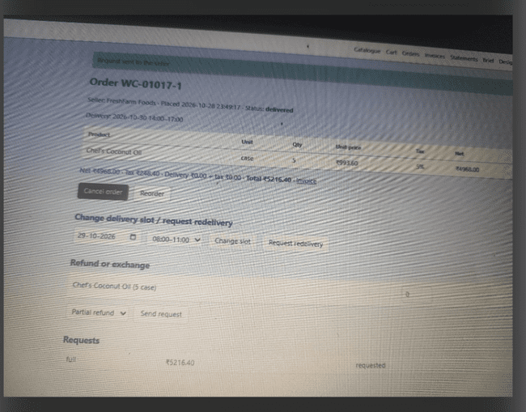 High |  | 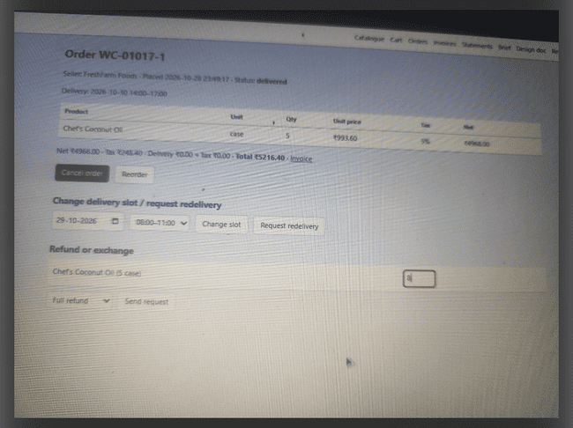
BUG-006 | Unable to change delivery slot on an un-shipped order with status 'placed' | 1. Open an order with status 'placed' (e.g., Order WC-01009-1). 2. Select a new valid date/delivery slot in 'Change delivery slot'. 3. Click 'Change slot'. 4. Observe error message. | As per BR-15, buyers can change the delivery slot until the order ships. Since the status is 'placed' (not shipped), changing the slot should be permitted. | System throws an error banner: 'The delivery slot can only be changed before the order ships', despite the order status currently being 'placed', violating BR-15. | 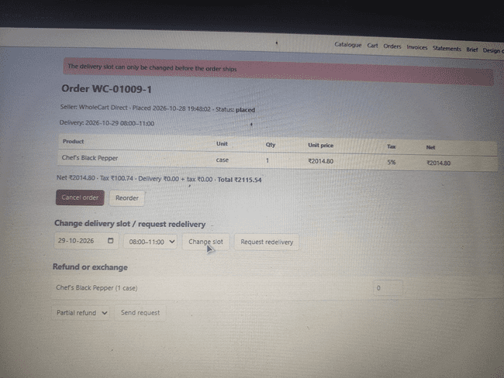 High
BUG-007 | Submitted refund/exchange request fails to persist or sync to seller portal | 1. From buyer portal, submit a refund/exchange request on a delivered order (e.g., WC-01019-1). 2. Confirm success message 'Request sent to the seller' is displayed. 3. Log in to seller portal and navigate to 'Refund and exchange requests'. 4. Observe the requests table. | As per BR-18, submitted refund/exchange requests must immediately sync to seller portal under 'Refund and exchange requests' for seller review/approval. | Buyer portal confirms 'Request sent to the seller', but seller portal shows an empty 'Refund and exchange requests' table, indicating data persistence failure. | 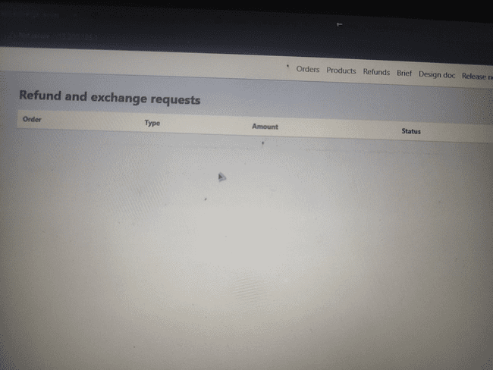 High
BUG-008 | Redelivery request allows submission without choosing new slot / blocks slot change after failed delivery | 1. Select an order with status 'delivery_failed'. 2. Attempt to request redelivery or change slot to choose a new delivery slot following BR-14/BR-05/BR-06. 3. Observe system behavior and error banners. | As per BR-14, after a failed delivery, the buyer requests redelivery by choosing a new slot. The system must require and save the new slot during redelivery request. | System allows redelivery request submission without forcing/persisting a mandatory new slot, yet blocks changing slot with 'slot can only be changed before order ships', violating BR-14. | 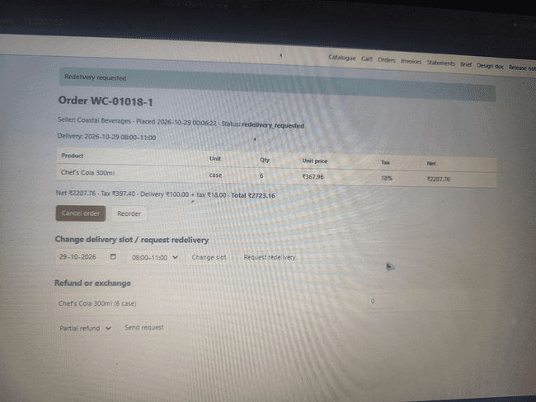 High
BUG-009 | Monthly Statement includes cancelled orders in total calculation and lists cancelled order rows | 1. Navigate to Statements tab in Buyer Portal and select October, 2026. 2. Inspect listed orders (includes WC-01008-1 and WC-01009-1 with status 'cancelled'). 3. Calculate sum of delivered orders vs. displayed 'Orders total'. | As per BR-20, monthly statements list orders delivered in that month minus approved refunds, and explicitly excludes cancelled orders from both listing and total. | Monthly Statement incorrectly lists cancelled orders and includes their values (2 x ₹2,115.54) in 'Orders total' (₹68,665.53 instead of ₹64,434.45), violating BR-20. | High | 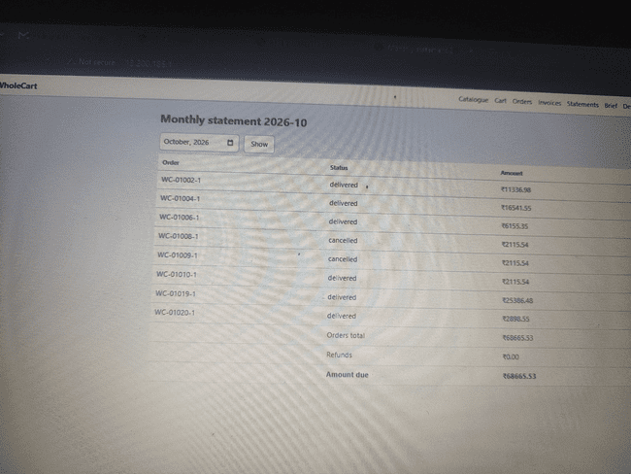
BUG-010 | System permits selecting 'Full refund' for a partial quantity input (30 out of 50 pieces ordered) | 1. Open delivered Order WC-01015-1 (ordered Qty: 50 pieces of Chef's Basmati Rice). 2. Select 'Full refund' from refund dropdown. 3. Enter partial quantity (30 pieces) in quantity input field. 4. Click 'Send request' and inspect generated entry under Requests. | As per BR-17, full refunds cover all lines/full quantities of order. Selecting 'Full refund' with partial quantity input (30/50) must be blocked by UI validation or require selecting 'Partial refund'. | System accepts submitting 'Full refund' for only 30 out of 50 pieces, but logs request type as 'full' with partial amount calculation (₹2,598.75), violating BR-17. | 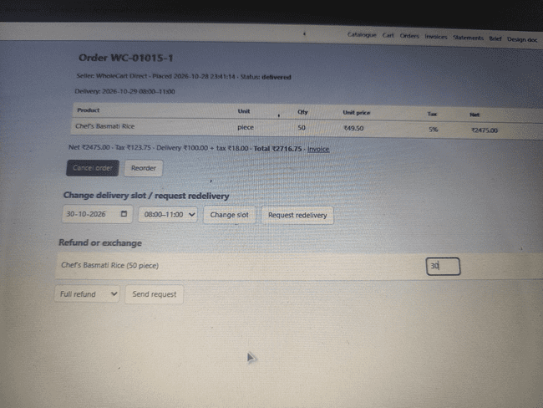 High |  | 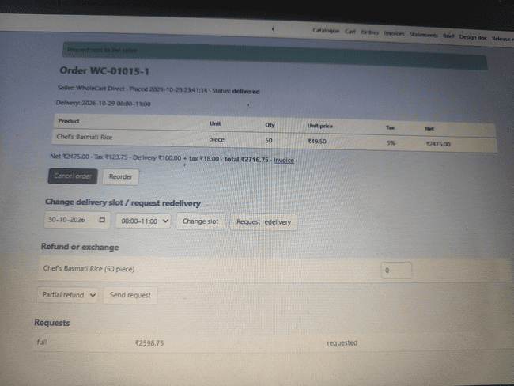
BUG-011 | System permits selecting 'Partial refund' for the full ordered quantity (100% of line item) | 1. Open delivered Order WC-01019-1 (ordered Qty: 6 cases of Chef's Garam Masala). 2. Under 'Refund or exchange', select 'Partial refund' from the dropdown. 3. Enter the full ordered line quantity (6 cases) into the quantity field. 4. Click 'Send request'. 5. Inspect the generated entry under the Requests table. | As per BR-17, partial refunds apply exclusively to a partial subset of lines/quantities, while full refunds cover all lines/entire order. Selecting 'Partial refund' for 100% of the line quantity should trigger validation forcing 'Full refund' or be blocked. | System permits submitting a 'Partial refund' request for the entire order quantity (6 out of 6 cases) and full order value (₹25,386.48), logging a 'partial' request for 100% total amount, violating BR-17. | 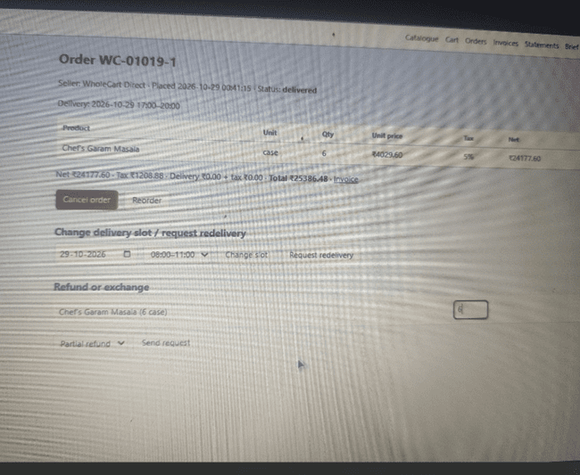 High | 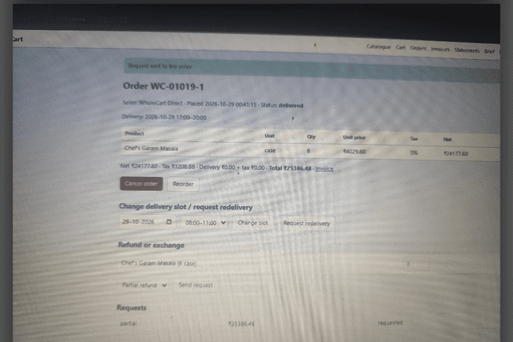
BUG-012 | Orders can be marked as 'Delivered' for future delivery slots | 1. Log in as a seller. 2. Locate an order with a future delivery slot (e.g. 2026-10-30). 3. Click 'Deliver' action button. | System should prevent fulfilling or marking an order as delivered before the scheduled delivery slot date/time. | Order status updates to 'delivered' for future-dated slots. | 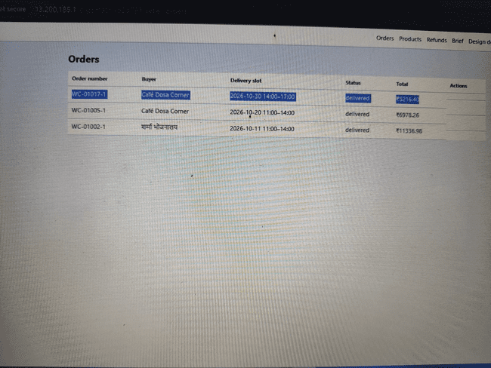 Medium
BUG-013 | Grammatical typo in seller action success notification banners (deliver/ fail) | 1. Log in as a seller. 2. Action any order by clicking 'Deliver' or 'Fail'. 3. Observe top green notification banner. | Banner should show correct past-tense verbs (e.g. 'Order updated: delivered', 'failed'). | Banner shows base verb forms ('Order updated: deliver', 'Order updated: fail'). | Low
BUG-014 | Grammatical typo in success banner when marking order as shipped (ship) | 1. Log in as a seller. 2. Action any order by clicking 'Ship'. 3. Observe top green notification banner. | Banner should show correct past-tense verbs (e.g. 'Order updated: 'shipped'). | Banner shows base verb forms ('Order updated: 'ship'). | 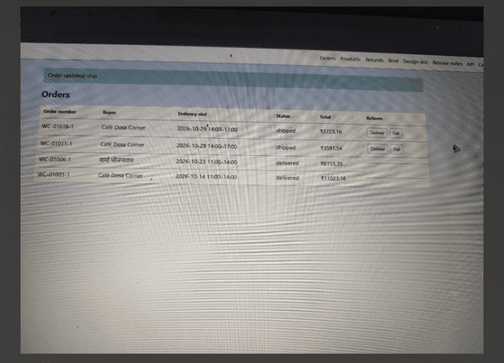 Low
BUG-015 | Redelivery request accepts submission without mandating new slot & blocks slot change on 'delivery_failed' orders | 1. Open order details for Order WC-01018-1 with status 'delivery_failed'. 2. Select a new delivery slot (e.g., 29-10-2026, 08:00-11:00) and click 'Change slot' / 'Request redelivery'. 3. Observe error validation banners and saved slot status. | As per BR-14, requesting redelivery after a failed delivery requires assigning a new slot following BR-05/BR-06. As per BR-15, buyers can change delivery slots until the order ships. | System permits redelivery submission without persisting mandatory new slot, yet throws error banner ('The delivery slot can only be changed before the order ships') when trying to update slots on 'delivery_failed' orders, violating BR-14 & BR-15. | High | 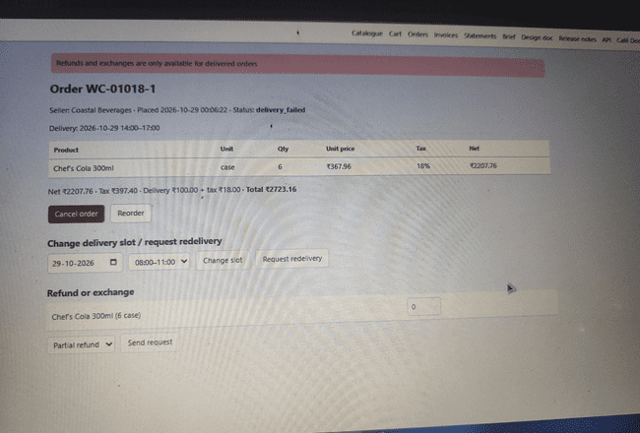
BUG-016 | Orders can be marked as 'Delivery Failed' for future delivery slots | 1. Log in as a seller. 2. Locate an order with a future delivery slot (e.g.2026-10-31). 3. Click 'Fail' action button. | System should prevent fulfilling or marking an order as failed before the scheduled delivery slot date/time. | Order status updates to 'delivery_failed' for future-dated slots. | 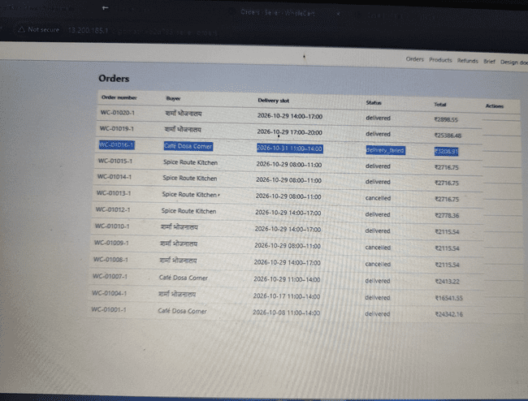 Medium
BUG-017 | Tax invoices missing mandatory B2B supply type and place of supply details (CR-09 violation) | 1. Log in as buyer or seller and navigate to Invoices. 2. Open any generated tax invoices (e.g. inv-00017). 3. Inspect the header and metadata sections for supply type and place of supply. | Per approved change request CR-09, every tax invoice must display 'Supply type: B2B' and 'Place of supply' (e.g. Goa (30)) to be valid for input tax credit. | Tax invoice displays seller/buyer GSTIN and address, but completely omits the mandatory 'Supply type' and 'Place of supply' fields required by CR-09 | 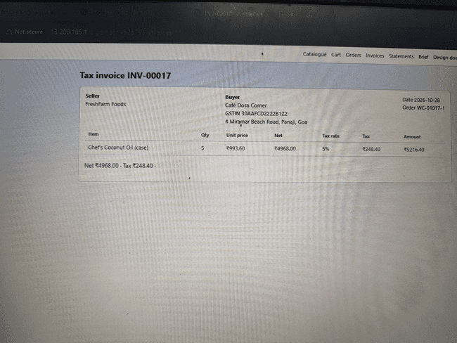 Medium

